L10-PVT1
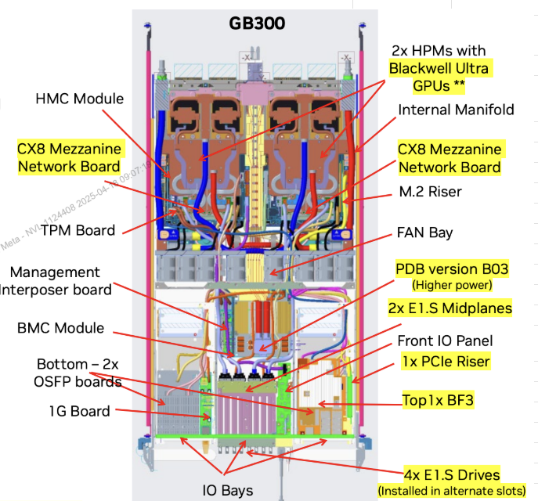
Flag Status | Level | Level 1 (Parent) | Level 2 (Child) | Level 3 (Child) | Quantity | New or Reuse? | FRU | Category|Subcategory | Meta Managed vs ODM Managed Parts | DVT FBPN INGRASYS | PVT FBPN INGRASYS | Requestd Description | Comment Log
 | 1 | 01- CI Compute Tray Assy |  |  | 1 | NEW | No Yes | 01-Assembly|Server |  | 01-101292 Samsung 01-101293 WD 01-101294 Micron | 01-101313 (Samsung) 01-101314 (Micron) 01-101315 (WD)
 | 2 |  | 19-GB300 Module |  | 2 | NEW | No | 19-Board|Superchip - CPU GPU Module | Meta Managed | 19-100681 | 19-100774
 | 3 |  |  | 19-GPU Assy | 2 | NEW | No | 19-Board|GPU Assy | Meta Managed | 19-100678 | 19-100806
 | 3 |  |  | 11-CPU | 1 | NEW | No | 11-CPU|CPU | Meta Managed | 11-100103 | 11-100111
 | 3 |  |  | 10-Memory | 1 | NEW | No | 10-Memory|Memory | Meta Managed | 10-100176 | 10-100178
 | 2 |  | 05-Cold plate - L |  | 1 | NEW | NO | 05-Thermal|Cold Plate | Meta Managed | 05-100332 | 05-100339
 | 2 |  | 05-Cold plate - R |  | 1 | NEW | NO | 05-Thermal|Cold Plate | Meta Managed | 05-100333 | 05-100340
 | 2 |  | 05-Inner Manifold- Red |  | 1 | NEW | NO | 05-Thermal|Cold Plate | Meta Managed | 05-100336 | 05-100342
 | 2 |  | 05-Inner Manifold- Blue |  | 1 | NEW | NO | 05-Thermal|Cold Plate | Meta Managed | 05-100334 | 05-100341
 | 2 |  | 19- CX8 800G BE NIC |  | 2 | NEW | No | 19-Board|Network Interface Card | Meta Managed | 19-100776 | 19-100803
 | 2 |  | 19- CX7 400G FE NIC |  | 2 | REUSE | Yes | 19-Board|Network Interface Card | Meta Managed | 19-100693 | 19-100693
 | 2 |  | 19- HMC module for GB300 |  | 1 | NEW | NO | 19-Board|Other | Meta Managed | 19-100778 | 19-100604
 | 3 |  |  | 27-HMC bracket | 1 | REUSE | no | 27-mech|mech | ODM managed | 27-100434 | 27-100434
 | 2 |  | 09- 2TB E1.S boot drive |  | 1 | REUSE | Yes | 09-SSD|Boot Drive | Meta Managed | 09-100274 | 09-100274
 | 3 |  |  | 27-SSD holder | 1 | REUSE | No | 27-mech|mech | ODM managed | 27-100408 | 27-100408
 | 2 |  | 09- 8TB E1.S SSD |  | 4 | REUSE | Yes | 09-SSD|Data Drive | Meta Managed | 09-100307 (Samsung) 09-100272 (Micron) 09-100271 (WD) | 09-100273 (Samsung) 09-100272 (Micron) 09-100271 (WD)
 | 3 |  |  | 27-SSD latch | 1 | REUSE | No | 27-mech|mech | ODM managed | 27-100267 | 27-100267
Need this for FAI | 2 |  | 19- PDB |  | 1 | NEW | NO | 19-Board| Power Distribution Board | ODM managed | 19-100777 | 19-100794
Need this for FAI | 2 |  | 19- FIO board |  | 1 | NEW | NO | 19-Board|IO board | ODM managed | 19-100684 | 19-100795
Need this for FAI | 2 |  | 19- OSFP board |  | 1 | NEW | NO | 19-Board|Carrier Card | ODM managed | 19-100685 | 19-100796
Need this for FAI | 3 |  |  | 07-Ultrapass cable (Left) | 4 | REUSE | NO | 07-Cables and Cords|Cable | Meta Managed | 07-100945 | 07-100945
Need this for FAI | 3 |  |  | 07-Ultrapass cable (Right) | 0 | REUSE | NO | 07-Cables and Cords|Cable | Meta Managed | 07-100946 | 07-100946
Need this for FAI | 2 |  | 19-SCM BOARD ASSY, SCM + Sensor board + TPM |  | 1 | NEW | Yes | 19-Board|SCM Board Assy | ODM managed | 19-100688 | 19-100797
Need this for FAI | 3 |  |  | 19-SCM BOARD+Sensor board | 1 | NEW | NO | 19-Board|SCM Card | ODM managed | 19-100687 | 19-100798
Need this for FAI | 3 |  |  | 19- TPM | 2 | NEW | NO | 19-Board|TPM | ODM managed | 19-100686 | 19-100799
Need this for FAI | 3 |  |  | 27-SCM BRACKET | 1 | REUSE | NO | 27-mech|mech | ODM managed | 27-100383 | 27-100383
Need this for FAI | 2 |  | 09- BSM |  | 1 | NEW | Yes | 09-Disk|Data Storage | ODM managed | 09-100298 | 09-100319
Need this for FAI | 2 |  | 19-E1.S backplane |  | 2 | NEW | NO | 19-Board|Midplane | ODM managed | 19-100689 | 19-100800
Need this for FAI | 2 |  | 19-Interposer board |  | 1 | NEW | NO | 19-Board|Interposer board | ODM managed | 19-100691 | 19-100801
 | 2 |  | 05- FAN assembly |  | 2 | NEW | Yes | 05-Thermal|Fan | Meta Managed | 05-100335 | 05-100366
 |  |  |  | 05- FAN module 4056 | 1 | REUSE | No | 05-Thermal|Fan | Meta Managed |  | 05-100335
 |  |  |  | 27-FAN cage | 1 | NEW | No | 27-mech|mech | Meta Managed |  | 27-100509
 | 2 |  | 05- FAN assembly |  | 2 | NEW | Yes | 05-Thermal|Fan | Meta Managed | 05-100335 | 05-100367
 |  |  |  | 05- FAN module 4056 | 3 | REUSE | No | 05-Thermal|Fan | Meta Managed |  | 05-100335
 |  |  |  | 27-FAN cage | 1 | NEW | No | 27-mech|mech | Meta Managed |  | 27-100510
 | 2 |  | 07-Busbar cable |  | 1 | REUSE | No | 07-Cables and Cords|Cable | Meta Managed | 07-100938 | 07-100938
 | 2 |  | 07- NIC0 3-to-1 cable |  | 1 | REUSE | No | 07-Cables and Cords|Cable | ODM managed | 07-100918 | 07-100918
 | 2 |  | 07- NIC1 3-to 1 cable |  | 1 | REUSE | No | 07-Cables and Cords|Cable | ODM managed | 07-100919 | 07-100919
 | 2 |  | 07- Front IO board SlimSAS |  | 1 | REUSE | No | 07-Cables and Cords|Cable | ODM managed | 07-100920 | 07-100920
 | 2 |  | 07- E1.S Backplane power cable |  | 1 | REUSE | No | 07-Cables and Cords|Cable | ODM managed | 07-100921 | 07-100921
 | 2 |  | 07- E1.S Backplane MCIO Y cable Left |  | 1 | REUSE | No | 07-Cables and Cords|Cable | ODM managed | 07-100922 | 07-100922
 | 2 |  | 07- E1.S Backplane MCIO Y cable Right |  | 1 | REUSE | No | 07-Cables and Cords|Cable | ODM managed | 07-100923 | 07-100923
 | 2 |  | 07- OSFP PWR cable |  | 1 | REUSE | No | 07-Cables and Cords|Cable | ODM managed | 07-100939 | 07-100939
 | 2 |  | 07- OSFP sideband cable Left |  | 1 | REUSE | No | 07-Cables and Cords|Cable | ODM managed | 07-100940 | 07-100940
 | 2 |  | 07- OSFP sideband cable Right |  | 1 | REUSE | No | 07-Cables and Cords|Cable | ODM managed | 07-100941 | 07-100941
 | 2 |  | 07- E1.S SSD Y cable |  | 1 | REUSE | No | 07-Cables and Cords|Cable | ODM managed | 07-100924 | 07-100924
 | 2 |  | 07- CBL, PDB_MB(R)(L) PWR cable |  | 1 | REUSE | No | 07-Cables and Cords|Cable | ODM managed | 07-100925 | 07-100925
 | 2 |  | 07- CBL, CLINK Cable |  | 1 | REUSE | No | 07-Cables and Cords|Cable | ODM managed | 07-100926 | 07-100926
 | 2 |  | 07- 2P Management Crossover Cable |  | 1 | REUSE | No | 07-Cables and Cords|Cable | ODM managed | 07-100927 | 07-100927
 | 2 |  | 07- CBL, Leakage sensor cable-1 |  | 1 | REUSE | No | 07-Cables and Cords|Cable | ODM managed | 07-100623 | 07-100623
 | 2 |  | 07- CBL, Leakage sensor cable-2 |  | 1 | REUSE | No | 07-Cables and Cords|Cable | ODM managed | 07-100624 | 07-100624
 | 2 |  | 07- CBL, Leakage sensor cable-3 |  | 1 | REUSE | No | 07-Cables and Cords|Cable | ODM managed | 07-100625 | 07-100625
 | 2 |  | 07- CBL, Leakage sensor cable-4 |  | 1 | REUSE | No | 07-Cables and Cords|Cable | ODM managed | 07-100626 | 07-100626
 | 2 |  | 07- CBL,HMC_Interposer MCIO Cable1 |  | 1 | REUSE | No | 07-Cables and Cords|Cable | ODM managed | 07-100932 | 07-100932
 | 2 |  | 07- CBL,HMC_Interposer MCIO Cable2 |  | 1 | REUSE | No | 07-Cables and Cords|Cable | ODM managed | 07-100933 | 07-100933
 | 2 |  | 07- PDB Interposer PWR cable |  | 1 | REUSE | No | 07-Cables and Cords|Cable | ODM managed | 07-100934 | 07-100934
 | 2 |  | 07- PDB Interposer sideband cable |  | 1 | REUSE | No | 07-Cables and Cords|Cable | ODM managed | 07-100935 | 07-100935
 | 2 |  | 07- MB 12V+GND Busbar 1 |  | 1 | REUSE | No | 07-Cables and Cords|Cable | ODM managed | 07-100936 | 07-100936
 | 2 |  | 07- MB 12V+GND Busbar 2 |  | 1 | REUSE | No | 07-Cables and Cords|Cable | ODM managed | 07-100937 | 07-100937
 | 2 |  | 27- Compute Tray Chassis Assy |  | 1 | REUSE | No | 27-Mechanical|Chassis Subassembly | ODM managed | 27-100436 | 27-100436
 | 2 |  | 05-Coolant |  | 0 | REUSE | No | 05-Thermal|Cooling Device | ODM managed | 05-100229 | 05-100229

NVDA Part Numbers
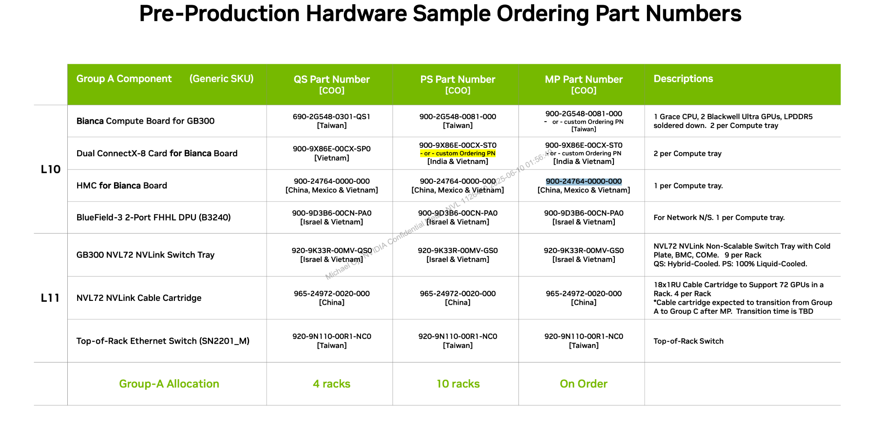

MPN | Des | Supplier
675-24480-0020-000 | NV GB300 2CPU:4GPU Board | NVIDIA
692-9X88E-00CX-ES1 | Dual CX-8 Mezzanine card | NVIDIA
CX75343AMC-NEAC_FB | CX-7 OCP3.0 TSFF NIC with 400Gbit/s | NVIDIA
699-24764-0004-ES1 | HMC Module for GB300(Optional) | NVIDIA

MFG PN | Description | Supplier
675-24480-0000-ES2 | HMC Module for GB300(Optional) | NVIDIA

additional 2 sets
MFG PN | Description | Supplier
699-24764-0004-ES1 | HMC Module for GB300(Optional) | NVIDIA
CX75343AMC-NEAC_FB | CX-7 OCP3.0 TSFF NIC with 400Gbit/s | NVIDIA
692-9X88E-00CX-ES1 | Dual CX-8 Mezzanine card | NVIDIA

DVT x4 Racks
Supplier PN |  | Supplier
699-2G548-0301-A00 | GB110 HPM, PCIE GEN 6 480GB-LP5X 192GB HBM3E NVL5, Bianca | NVIDIA
900-9X86E-00CX-SP0 | Dual CX-8 Mezzanine card, Bianca | NVIDIA
CX75343AMC-NEAC_FB | CX-7 OCP3.0 TSFF NIC with 400Gbit/s | NVIDIA
900-24764-0000-000 | HMC for Bianca Board | NVIDIA
920-9K33R-00MV-QS0 | 20 - CI NVSO Tray Assy | NVIDIA
965-24972-0020-000 | Cable Cartridge (Left/Right) | NVIDIA

PVT1 x4 Racks
Supplier PN |  | Supplier
935-24480-0021-000 | NV GB300 2CPU:4GPU Board | NVIDIA
900-9X86E-00CX-ST0 900-9X86E-A5CX-ST0 | Dual CX-8 Mezzanine card | NVIDIA
CX75343AMC-NEAC_FB | CX-7 OCP3.0 TSFF NIC with 400Gbit/s | NVIDIA
900-24764-0030-000 | HMC Module for GB300(Optional) | NVIDIA
920-9K33R-00MV-GS0 | 20 - CI NVSO Tray Assy | NVIDIA
965-24972-0020-000 | Cable Cartridge (Left/Right) | NVIDIA

PVT2 x1 Racks
Supplier PN |  | Supplier
935-24480-0021-000 | NV GB300 2CPU:4GPU Board | NVIDIA
900-9X86E-00CX-ST0 900-9X86E-A5CX-ST0 | Dual CX-8 Mezzanine card | NVIDIA
CX75343AMC-NEAC_FB | CX-7 OCP3.0 TSFF NIC with 400Gbit/s | NVIDIA
900-24764-0030-000 | HMC Module for GB300(Optional) | NVIDIA
920-9K33R-00MV-GS0 | 20 - CI NVSO Tray Assy | NVIDIA
965-24972-0020-000 | Cable Cartridge (Left/Right) | NVIDIA

